00 Read me first
APICS Recognized Instructor Development Program Application - Directions
Directions:
1 |  | Fill out the 02 Application Tab (Please sign at the bottom of the Application form). Scanned or electronic signatures are acceptable.
2 |  | Fill out the 03 Classes taught Tab
3 |  | Sign and date both the Instructor Code of Conduct and Term and Termination clause on the 04 Conduct and Term Signatures Tab
4 |  | When your application has been received, APICS will email you an invoice. See 05 Payment Information Tab for details.
5 |  | Download the Partner Endorsement letter and get a signature on it from your APICS Chapter/Channel, or APICS Global Partner Organization officer
 | 5a | Corporate Instructors, who teach exclusively for their employer corporations, may provide a Corporate Endorsement Letter in lieu of the Partner Endorsement Letter.

6 |  | Obtain a Recommendation Letter from an APICS Recognized Lead or Master instructor if you are requesting Lead or Master recognition.

7 |  | Make a copy of your APICS Train the Trainer (TTT), APICS Learning Dynamics for Instructors (LDI) and/or APICS Applied Instructor Skills (AIS) certificates to include with your application. If you are requesting equivalency for TTT or LDI, please submit your request to IDPapps@apics.org.

8 |  | If you are paying by credit card an invoice will be sent to you, when your application is received. Send electronic copies of your application, the Partner Endorsement letter, the Recommendation letter, copies of your TTT, LDI and/or AIS certificates, and a copy of your resume or curriculum vitae to IDPapps@apics.org

9 |  | If you are paying by check or money order, send physical copies of your application, the Partner Endorsement letter, the Recommendation letter, copies of your TTT, LDI and/or AIS certificates, a copy of your resume or curriculum vitae, and your check or money order to IDP Applications, c/o APICS, 8430 W. Bryn Mawr Ave., Suite 1000, Chicago, IL 60631

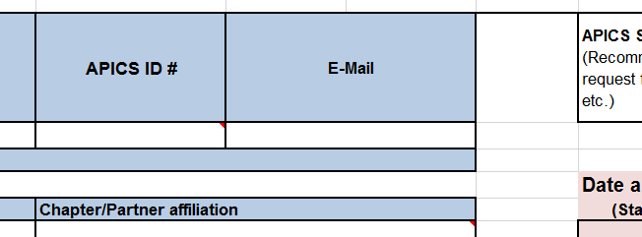
Instructions are found in the cell comments. To find the cell comments:
1 | a | Look for red triangles for cell specific instructions

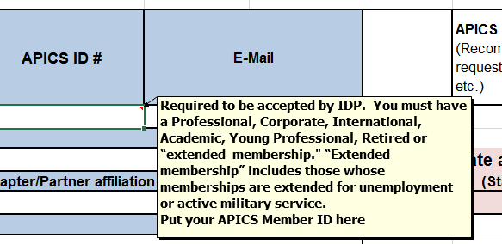
1 | b | Hover your arrow over the red triangle in order to view comments (instructions)

2 |  | See 01 Program Requirements tab (below) for details of the Instructor Development Program

